1. Title Page
Project Name: Instacart Grocery Basket Analysis
Date: 14 December 2024
Analyst Name: Kubendren Thavar

Contents:
Population Flow
Consistency checks
Wrangling steps
Column derivations
Visualizations
Recommendations

Data Source:
"The Instacart Grocery Shopping Dataset 2017", Accessed from https://www.instacart.com/datasets/grocery-shopping-2017 on November 10, 2022

Data Citation:
Customer data and the “prices” column in the products data set were fabricated for the purpose of this course.

2. Population Flow
 | Title page

Population flow

Exclusion flag
Condition: max_order <
Obervations to be removed:
Final total count of order_products_all:

Orders_products_combined
Orders_products_merged
Orders_products_all

Total: 32,434,489
Total :
Total: 32,404,589

32,404,859
1.) The grey boxes in the first row of the population flow represent the original data sets as they were when you downloaded them. In the Total fields you need to add the count of the rows when you imported the data set into Jupyter.
2.) The second row of boxes (coloured) represents the data sets after you manipulated them, e.g., removed missing values and duplicates. In the Total fields you need to add the count of the rows after conducting these operations. This offers a visual oveview of how the data flows throughout the data consistency checks.
3.) The third row, where also the arrows are coloured, represents the merges you performed between the datasets. In the Total fields you need to add the count of the rows in the merged datasets, so that you end up with the final dataset (in the red box). Keep in mind the final dataset should be without exclusions (based on the exclusion flag).

3. Consistency checks
 |  |  |  | Title page
Consistency checks

Dataset | Missing values | Missing values treatment | Duplicates
orders | 206209 missing values in days_since_last_order column | missing values are actually customers with only one order, meaning that there will be a value for these customers when they place a second order. Created a new column called first order to determine whether these customers are first time buyers or if the value is really null: | no Duplicates
products | 16 missing values in product_name column | deleted the rows with missing values | deleted 5 duplicates
orders_products_prior | no missing values | n/a | no Duplicates
departments | no missing values | n/a | no Duplicates
customers | 11,259 missing first name values | no action - first names are not needed for the analysis and the rest of the information is valuable | no duplicates

4. Wrangling steps
 |  |  |  | Title page
Wrangling steps

orders.csv
Columns dropped | Columns renamed | Columns' type changed | Comment/Reason
eval_set |  |  | Data is irrelevant for the analysis
 | order_dow |  | Changed to orders_day_of_week order_dow is not intuitive
 |  | order_id | Changed to str
 |  | user_id | Changed to str
 | days_since_prior_order |  | Changed to day_since_last_order

departmenets.csv
Columns dropped | Columns renamed | Columns' type changed | Comment/Reason
 | Unnamed: 0 |  | changed to department_id

customers.csv
Columns dropped | Columns renamed | Columns' type changed | Comment/Reason
 | First Name |  | Changed to first_name for consistency
 | Surnam |  | Changed to surname for consistency and spelling
 | Gender |  | Changed to gender for consistency
 | STATE |  | Changed to state for consistency
 | Age |  | Changed to age for consistency
 | n_dependants |  | Changed to dependants for consistency
 | Fam_status |  | Changed to marital_status for consistency

5. Column derivations
 |  |  |  |  |  | Title page

Column derivations and aggregations

In this tab you should add tables below that the frequences of flags/label variables that you produced after deriving them. NB: don't do this for continuous variables, only for flags.
Dataset | New column | Column/s it was derived from | Conditions
ords_prod_merge | price_range | prices | if price is <=5 = 'Low-range product'
 |  |  | if price is >5 and <=15 = 'Mid-range product'
 |  |  | if price is >15 = 'High-range product | loyalty_flag |  | spender_flag
ords_prod_merge | busiest_day | order_dow | 0 (Saturday) = busiest day | Regular customer | 15800757 | Low_spender 32127789
 |  |  | 4 (Wednesday) = least busy | Loyal customer | 10237475 | High_spender 118920
 |  |  | any other day of the week = regularly busy | New customer | 6213580 | Name: count, dtype: int64
ords_prod_merge | busiest_days | order_dow | 0 or 1 (Saturday or Sunday) = busiest days | Name: count, dtype: int64
 |  |  | 3 or 4 (Tuesday or Wednesday) = slowest days
 |  |  | any other day of the week = regular days | frequency_flag |  | region
ords_prod_merge | busiest_period_of_day | order_hour_of_day | hours (10, 11, 14, 15, 13, 12, 16, 9, 17) = most orders | Frequent customer 21454217 |  | South 10791885
 |  |  | hours (3, 4, 2, 5, 1, 0, 6, 23) = fewest orders | Regular customer 7176057 |  | West 8292913
 |  |  | any other hour of the day = average orders | Non-frequent customer 3616430 |  | Midwest 7597325
ords_prod_merge | max_order | user_id, 'order_number' | This indicates the maximum frequency of orders ('order_number') grouped by customer ('user_id'). |  |  | Northeast 5722736
ords_prod_merged | frequency | median_days | If median_days >20, then labeled as 'Non-frequent customer' |  |  | Name: count, dtype: int64
 |  |  | If median_days >10 and <=20, then labeled as 'Regular customer'
 |  |  | If median_days <=10, then labeled as 'Frequent customer' | NaN 5
instacart_final | income_group | income | If income less than or equal to 50,000 then 'Low ' | Name: count, dtype: int64
 |  |  | If income greater than 50,000 and less than or equal to 100,000 then 'Middle '
 |  |  | If income greater than 100,000 then 'High '
instacart_final | age_group | Age | If age less than or equal to 25 then young adult. (0-24) |  |  | spending_type
 |  |  | If age greater than 25 & less than or equal to 40 then adult. (25-40) |  |  | Low Spender 31770614
 |  |  | If age greater than 40 & less than or equal to 65 then Older adult. (40-65) |  |  | High Spender 634245
 |  |  | If age greater than 65 then senior. (65+) |  |  | Name: count, dtype: int64
instacart_final | region | state | Northeast_states = ['Maine', 'New Hampshire', 'Vermont', 'Massachusetts', 'Rhode Island', 'Connecticut', 'New York', 'Pennsylvania', 'New Jersey']
 |  |  | Midwest_states = ['Wisconsin', 'Michigan', 'Illinois', 'Indiana', 'Ohio', 'North Dakota', 'South Dakota', 'Nebraska', 'Kansas', 'Minnesota', 'Iowa', 'Missouri']
 |  |  | Southern_states = ['Delaware', 'Maryland', 'District of Columbia', 'Virginia', 'West Virginia', 'North Carolina', 'South Carolina', 'Georgia', 'Florida', 'Kentucky', 'Tennessee', 'Mississippi', 'Alabama', 'Oklahoma', 'Texas', 'Arkansas', 'Louisiana']
 |  |  | Western_states = ['Idaho', 'Montana', 'Wyoming', 'Nevada', 'Utah', 'Colorado', 'Arizona', 'New Mexico', 'Alaska','Washington', 'Oregon', 'California', 'Hawaii']
instacart_final | dependents_flag | number_of_dependents | If number of dependents > 0, then 'Has dependents'
 |  |  | If number of dependents <= 0, then 'No dependents'

6. Visualizations
 | Title page

Visualisations

In this tab you should include all the visualtions from Exercises 4.9 and 4.10, alongside the questions from the project brief that they answer. Include any commentary on the relationship between different variables.

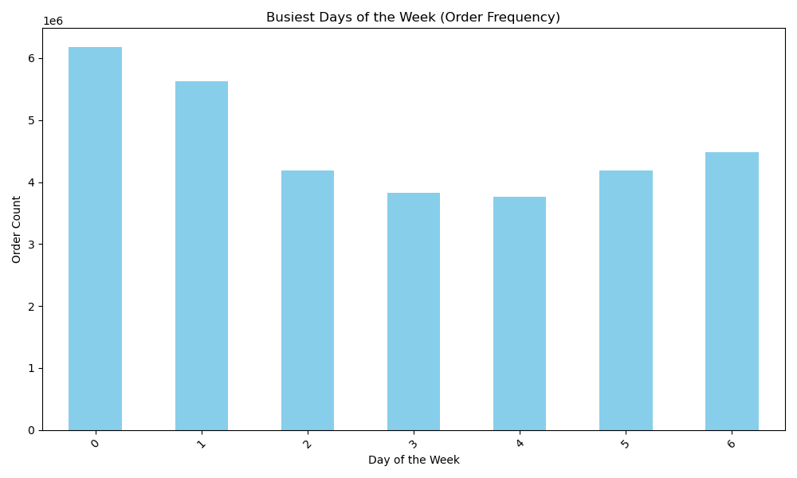
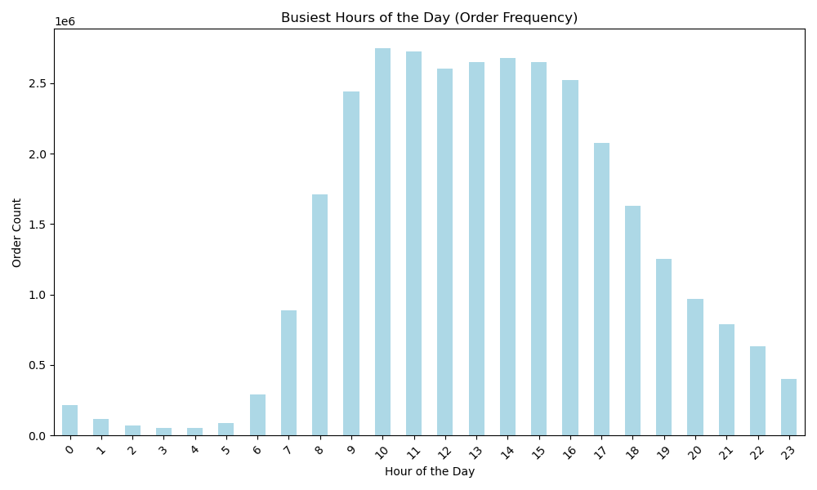
The sales team needs to know what the busiest days of the week and hours of the day are (i.e., the days and times with the most orders) in order to schedule ads at times when there are fewer orders.

The busiest days are Saturdays, with Tuesdays and Wednesdays being the least busy. Orders peak between 9 AM and 5 PM, while activity is lowest from 10 PM to 6 AM. This suggests focusing promotions on quieter periods, like midweek or late-night hours, and tailoring ads to customer needs during peak times.

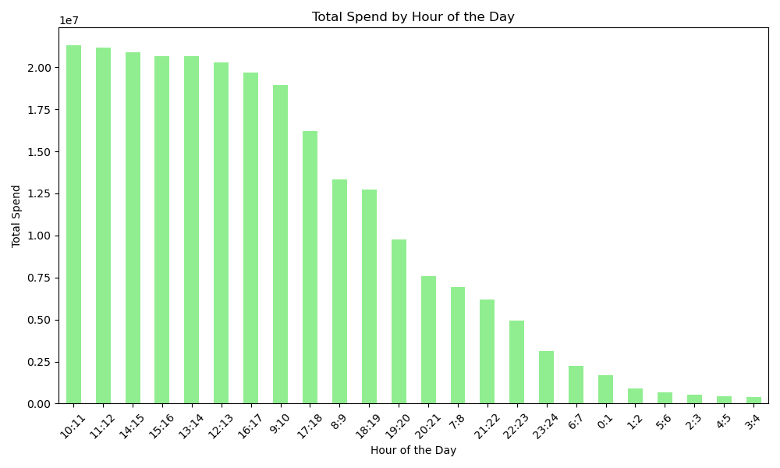
They also want to know whether there are particular times of the day when people spend the most money, as this might inform the type of products they advertise at these times.

The times when people spend the most money are between 10 AM and 5 PM, with the peak spending hour being 10 AM to 11 AM, followed by 11 AM to 12 PM and subsequent midday hours. The least spending occurs during the early morning hours, between 12 AM and 7 AM, with 6 AM to 7 AM being the lowest. These patterns suggest prioritizing high-value product ads during peak spending hours and focusing on general brand awareness or next-day promotions during low-spending times.

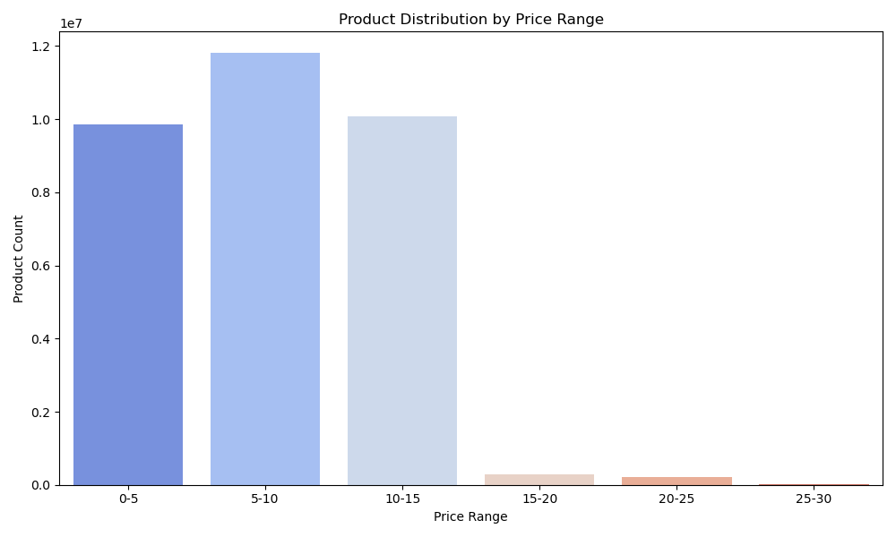
Instacart has a lot of products with different price tags. Marketing and sales want to use simpler price range groupings to help direct their efforts.

The chart shows that most products fall within the $0–15 price range, with the $5–10 range being the most common. Products priced above $15 are far fewer, indicating that lower price ranges dominate Instacart's product offerings.

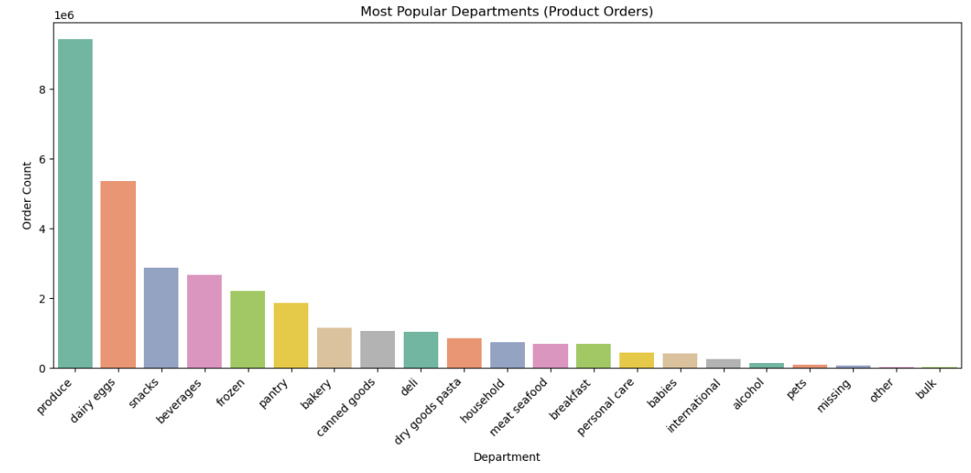
Are there certain types of products that are more popular than others? The marketing and sales teams want to know which departments have the highest frequency of product orders.

The Produce and Dairy & Eggs departments dominate product orders, reflecting their importance in customer shopping habits. By enhancing visibility for popular and niche departments, Instacart can drive higher sales and increase customer retention.

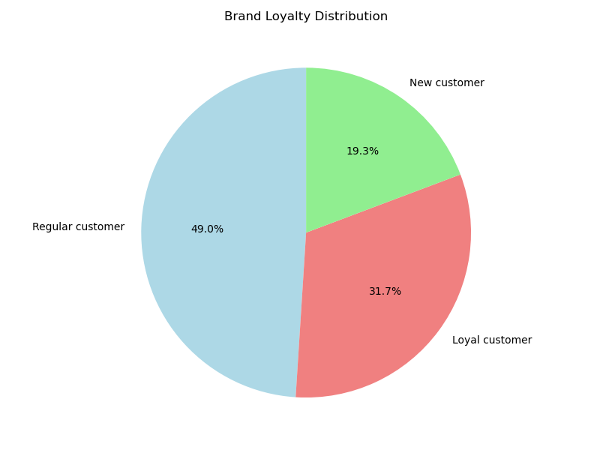
What’s the distribution among users in regards to their brand loyalty (i.e., how often do they return to Instacart)?

The graph illustrates the brand loyalty distribution among Instacart users. Regular customers make up the largest portion at 49%, followed by loyal customers at 31.7%, and new customers at 19.3%. This indicates that nearly half of the users shop frequently but have not yet reached the loyalty stage, while about a third are highly engaged loyal customers. New customers represent a smaller segment, highlighting an opportunity for growth and retention.

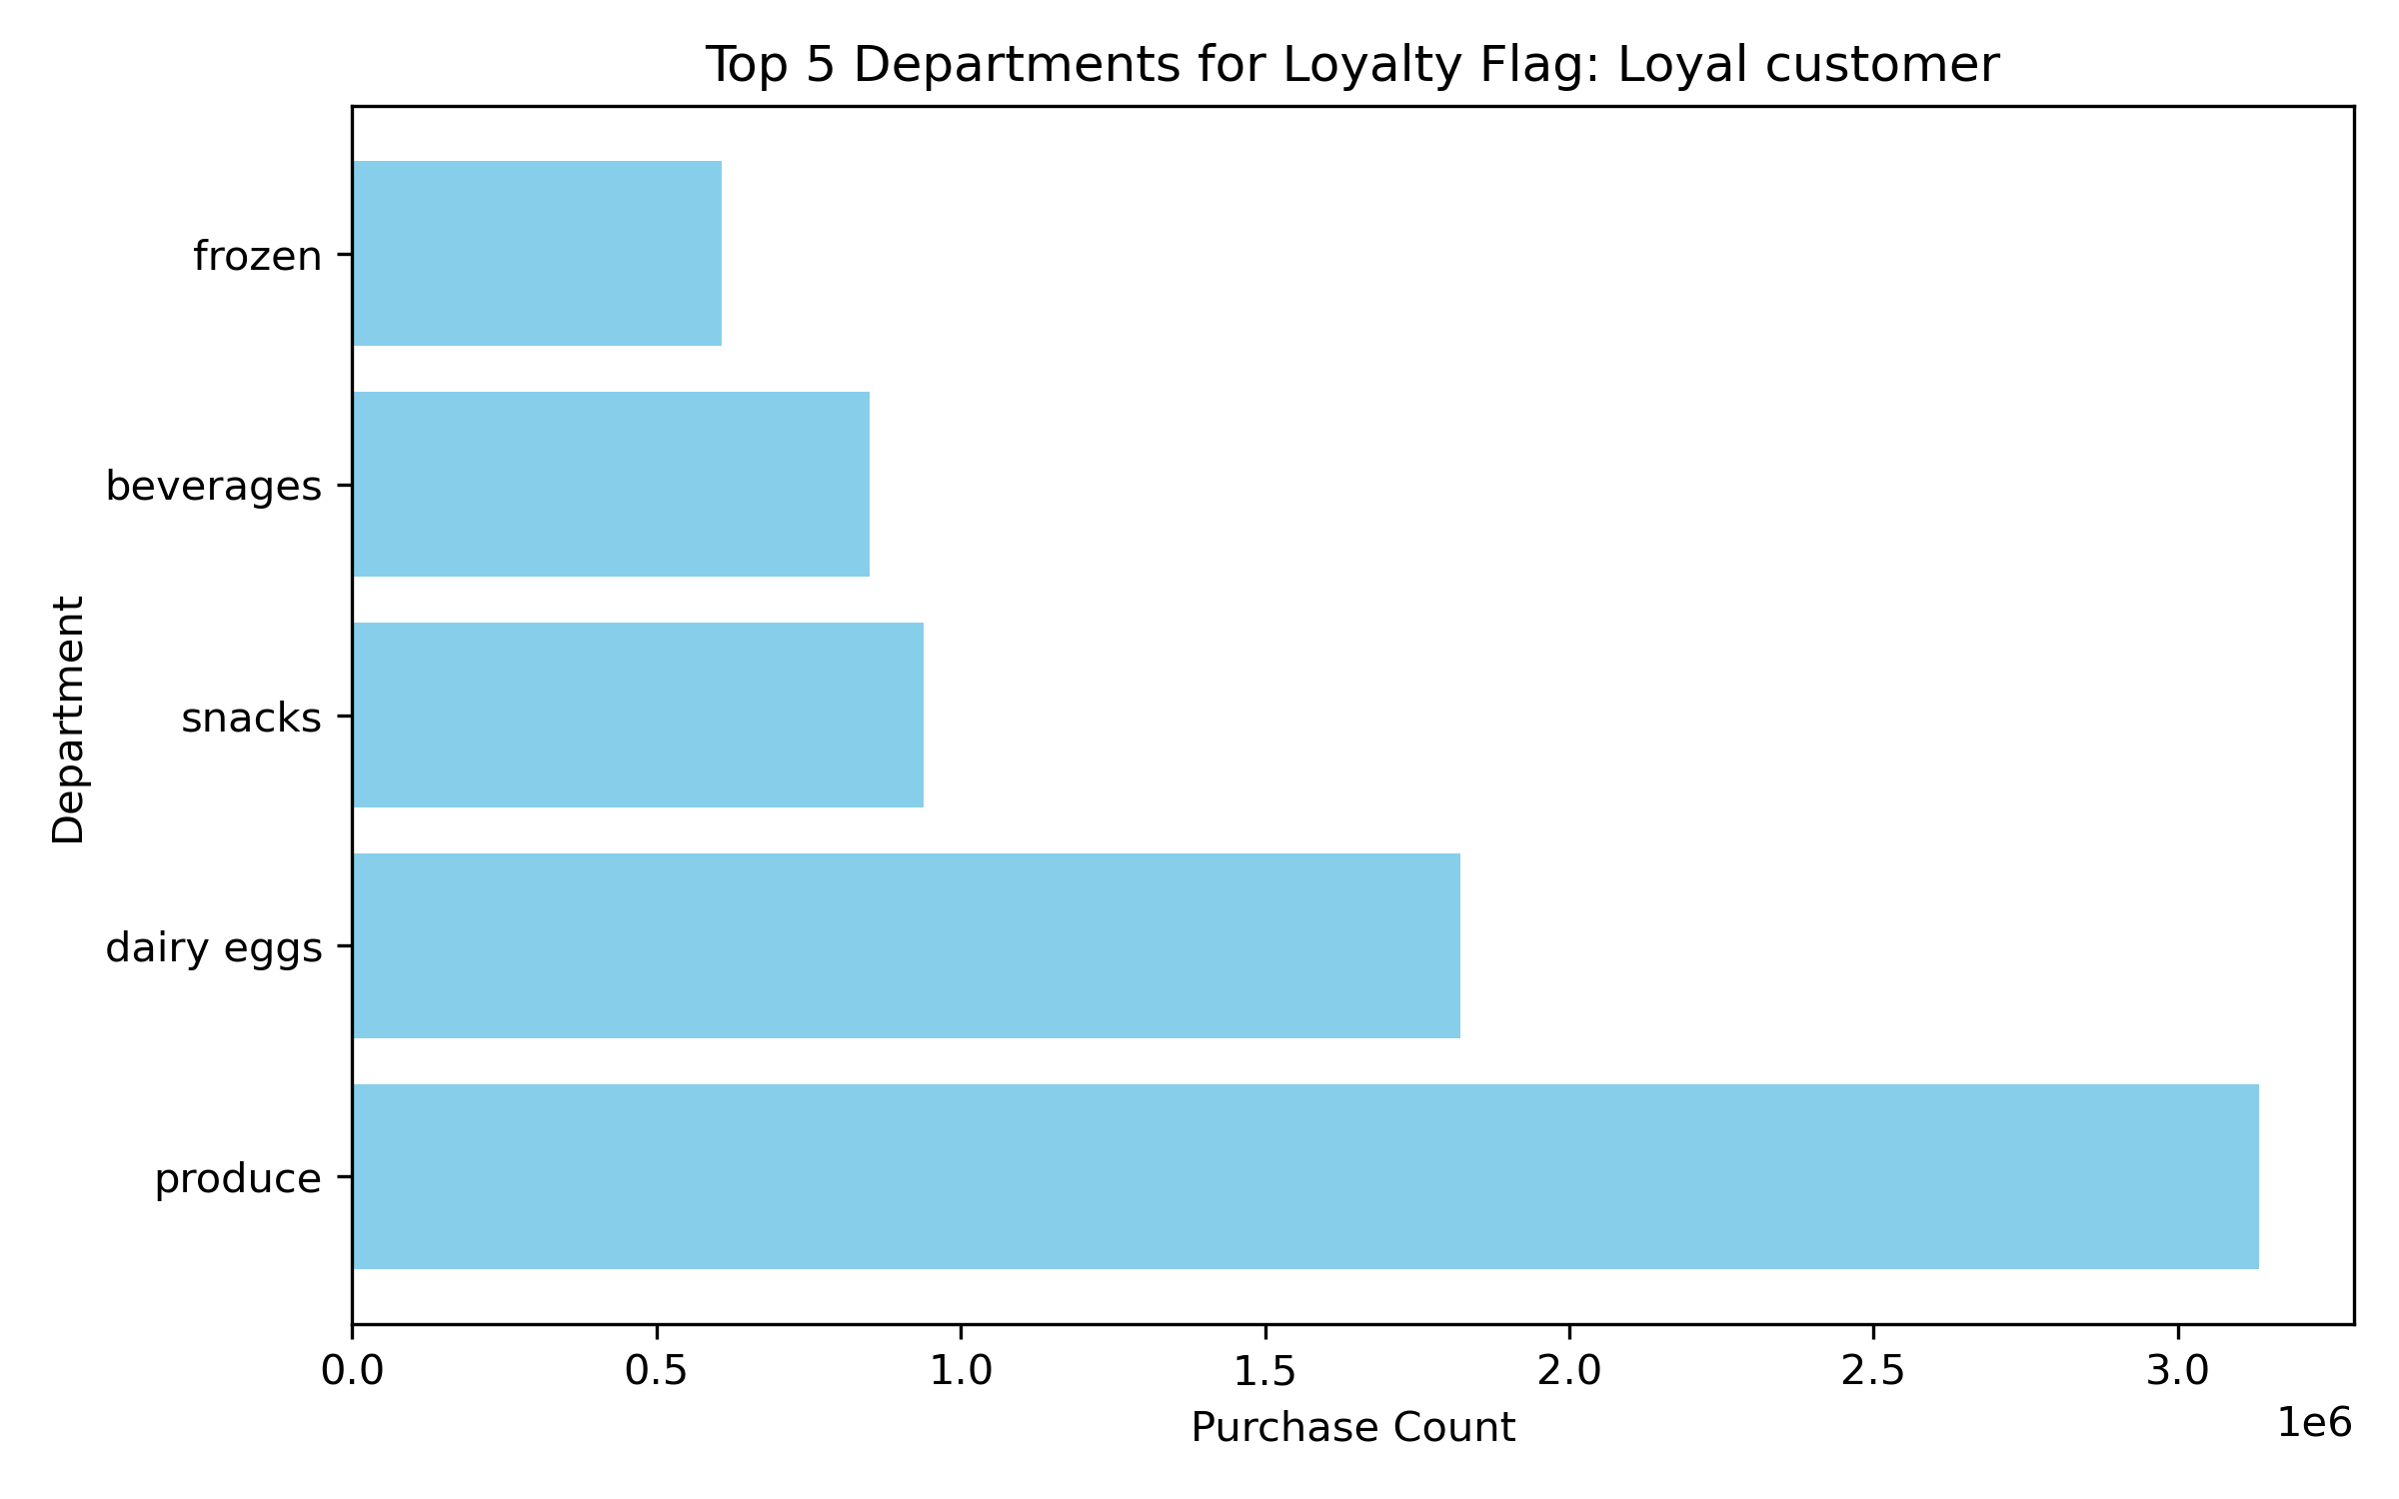
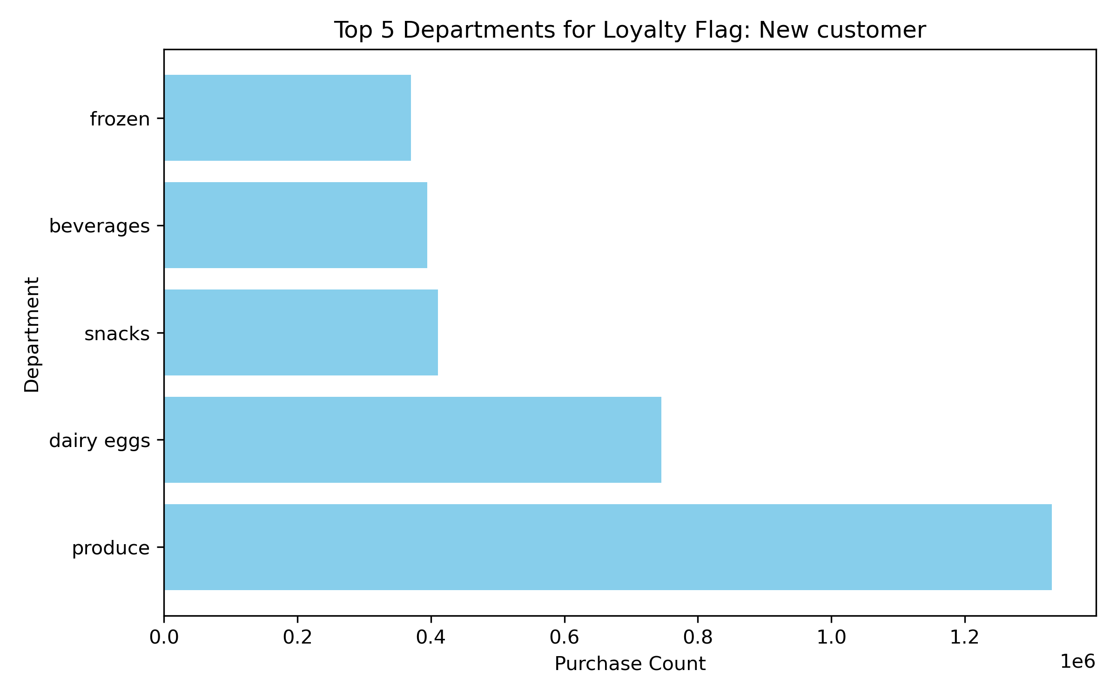


Are there differences in ordering habits based on a customer’s loyalty status?

Ordering habits vary by loyalty status. Loyal customers purchase far more items overall, especially in staple categories like Produce and Dairy Eggs. New customers focus on essentials but in smaller volumes, presenting an opportunity to build loyalty through targeted offers. Frozen and Beverages remain consistent across all groups but lag behind staples in purchase counts.

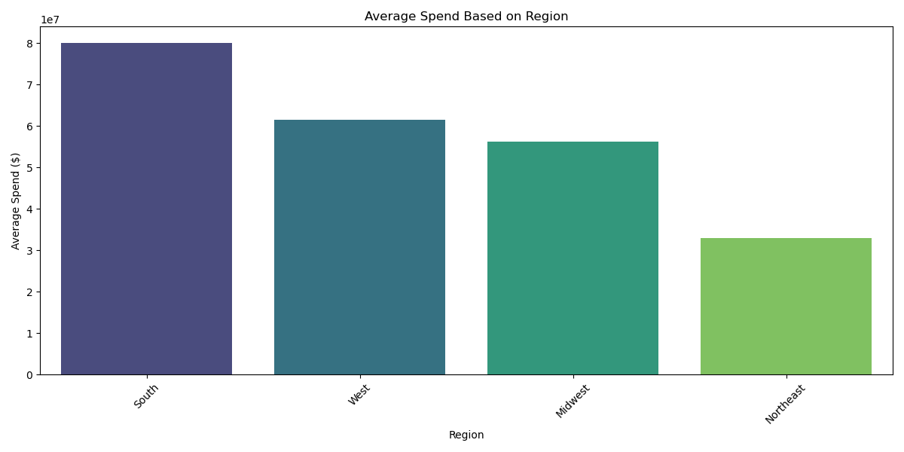
Are there differences in ordering habits based on a customer’s region?

The South leads in spending, while the Northeast represents an opportunity for growth. By leveraging regional preferences and targeted campaigns, Instacart can maximize engagement and boost spending across all regions.

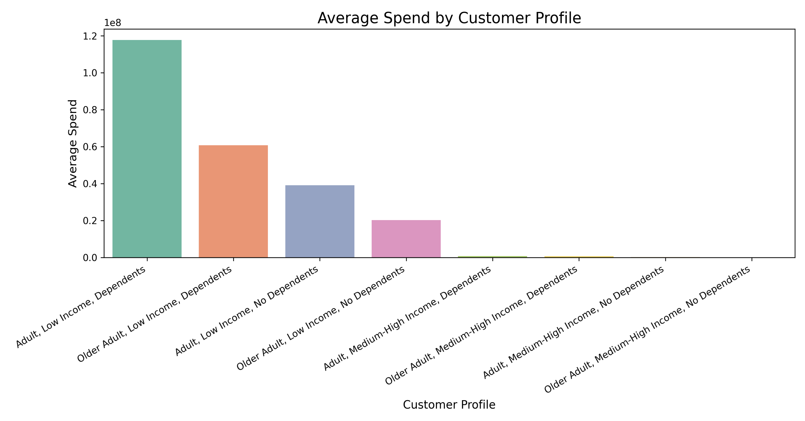

Is there a connection between age and family status in terms of ordering habits?

The chart shows that adults with dependents have the highest average spend, especially those with low income. In contrast, adults and older adults without dependents spend significantly less, highlighting that family status (having dependents) drives higher spending.

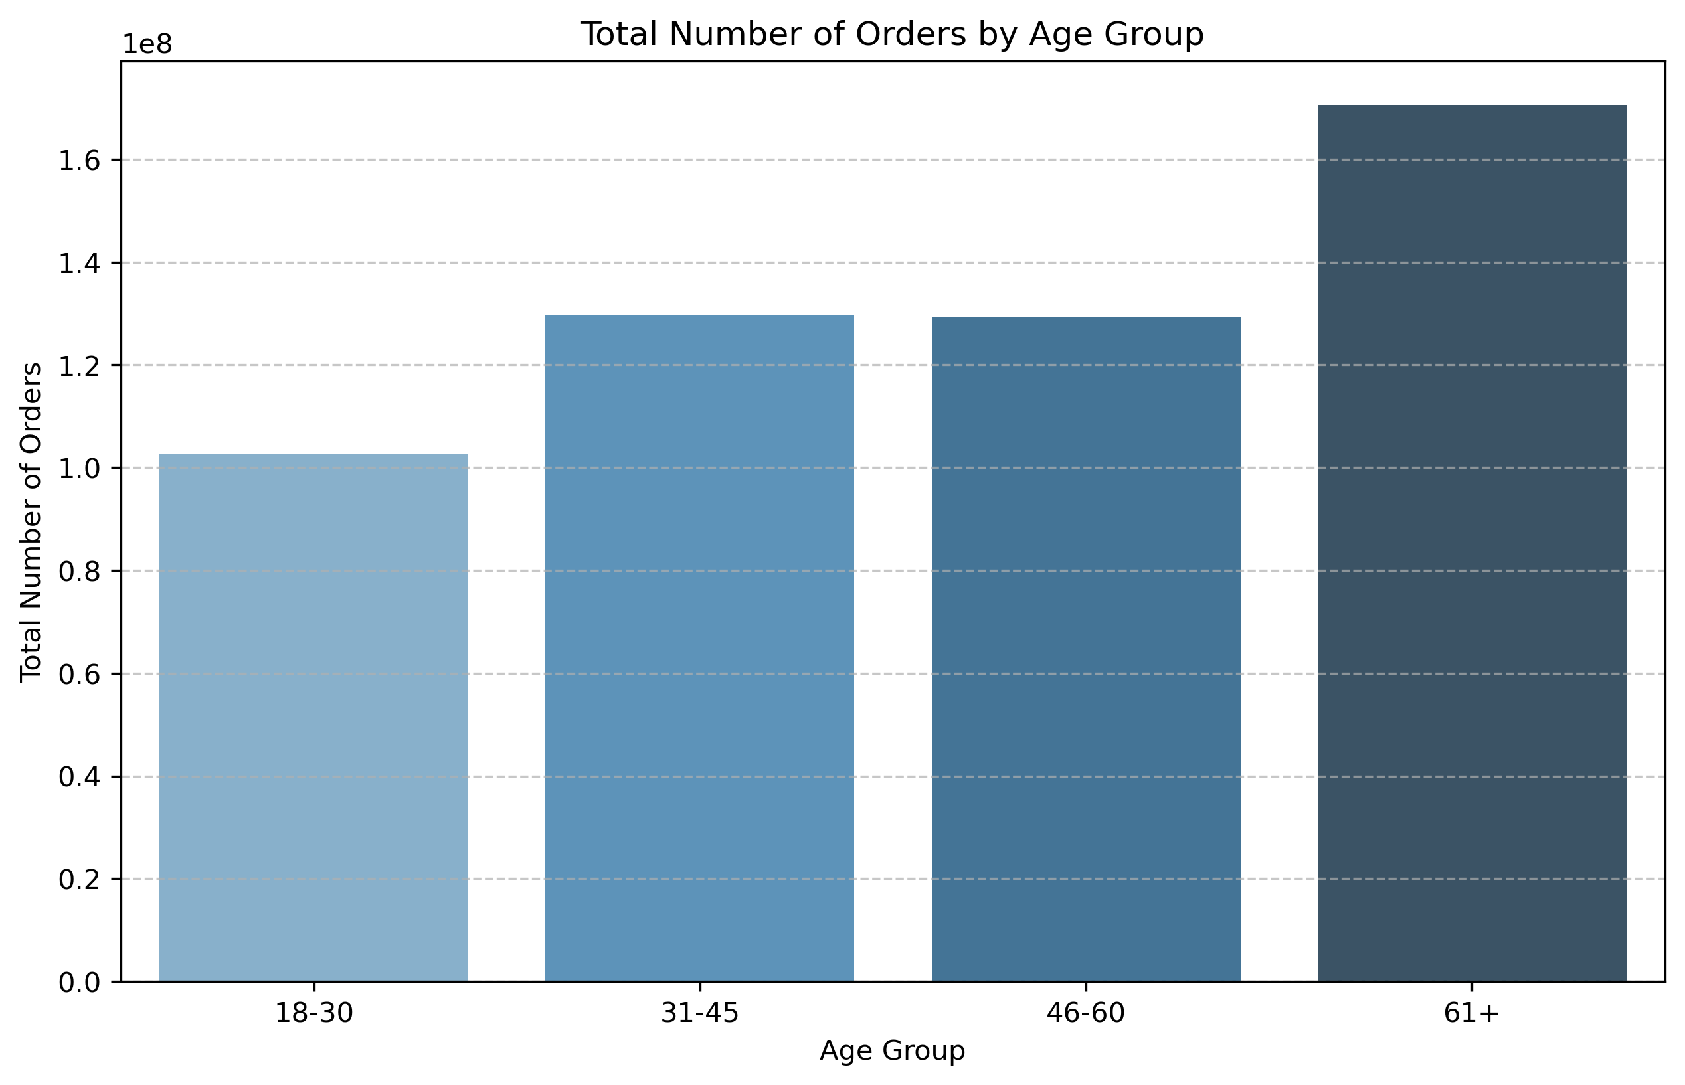
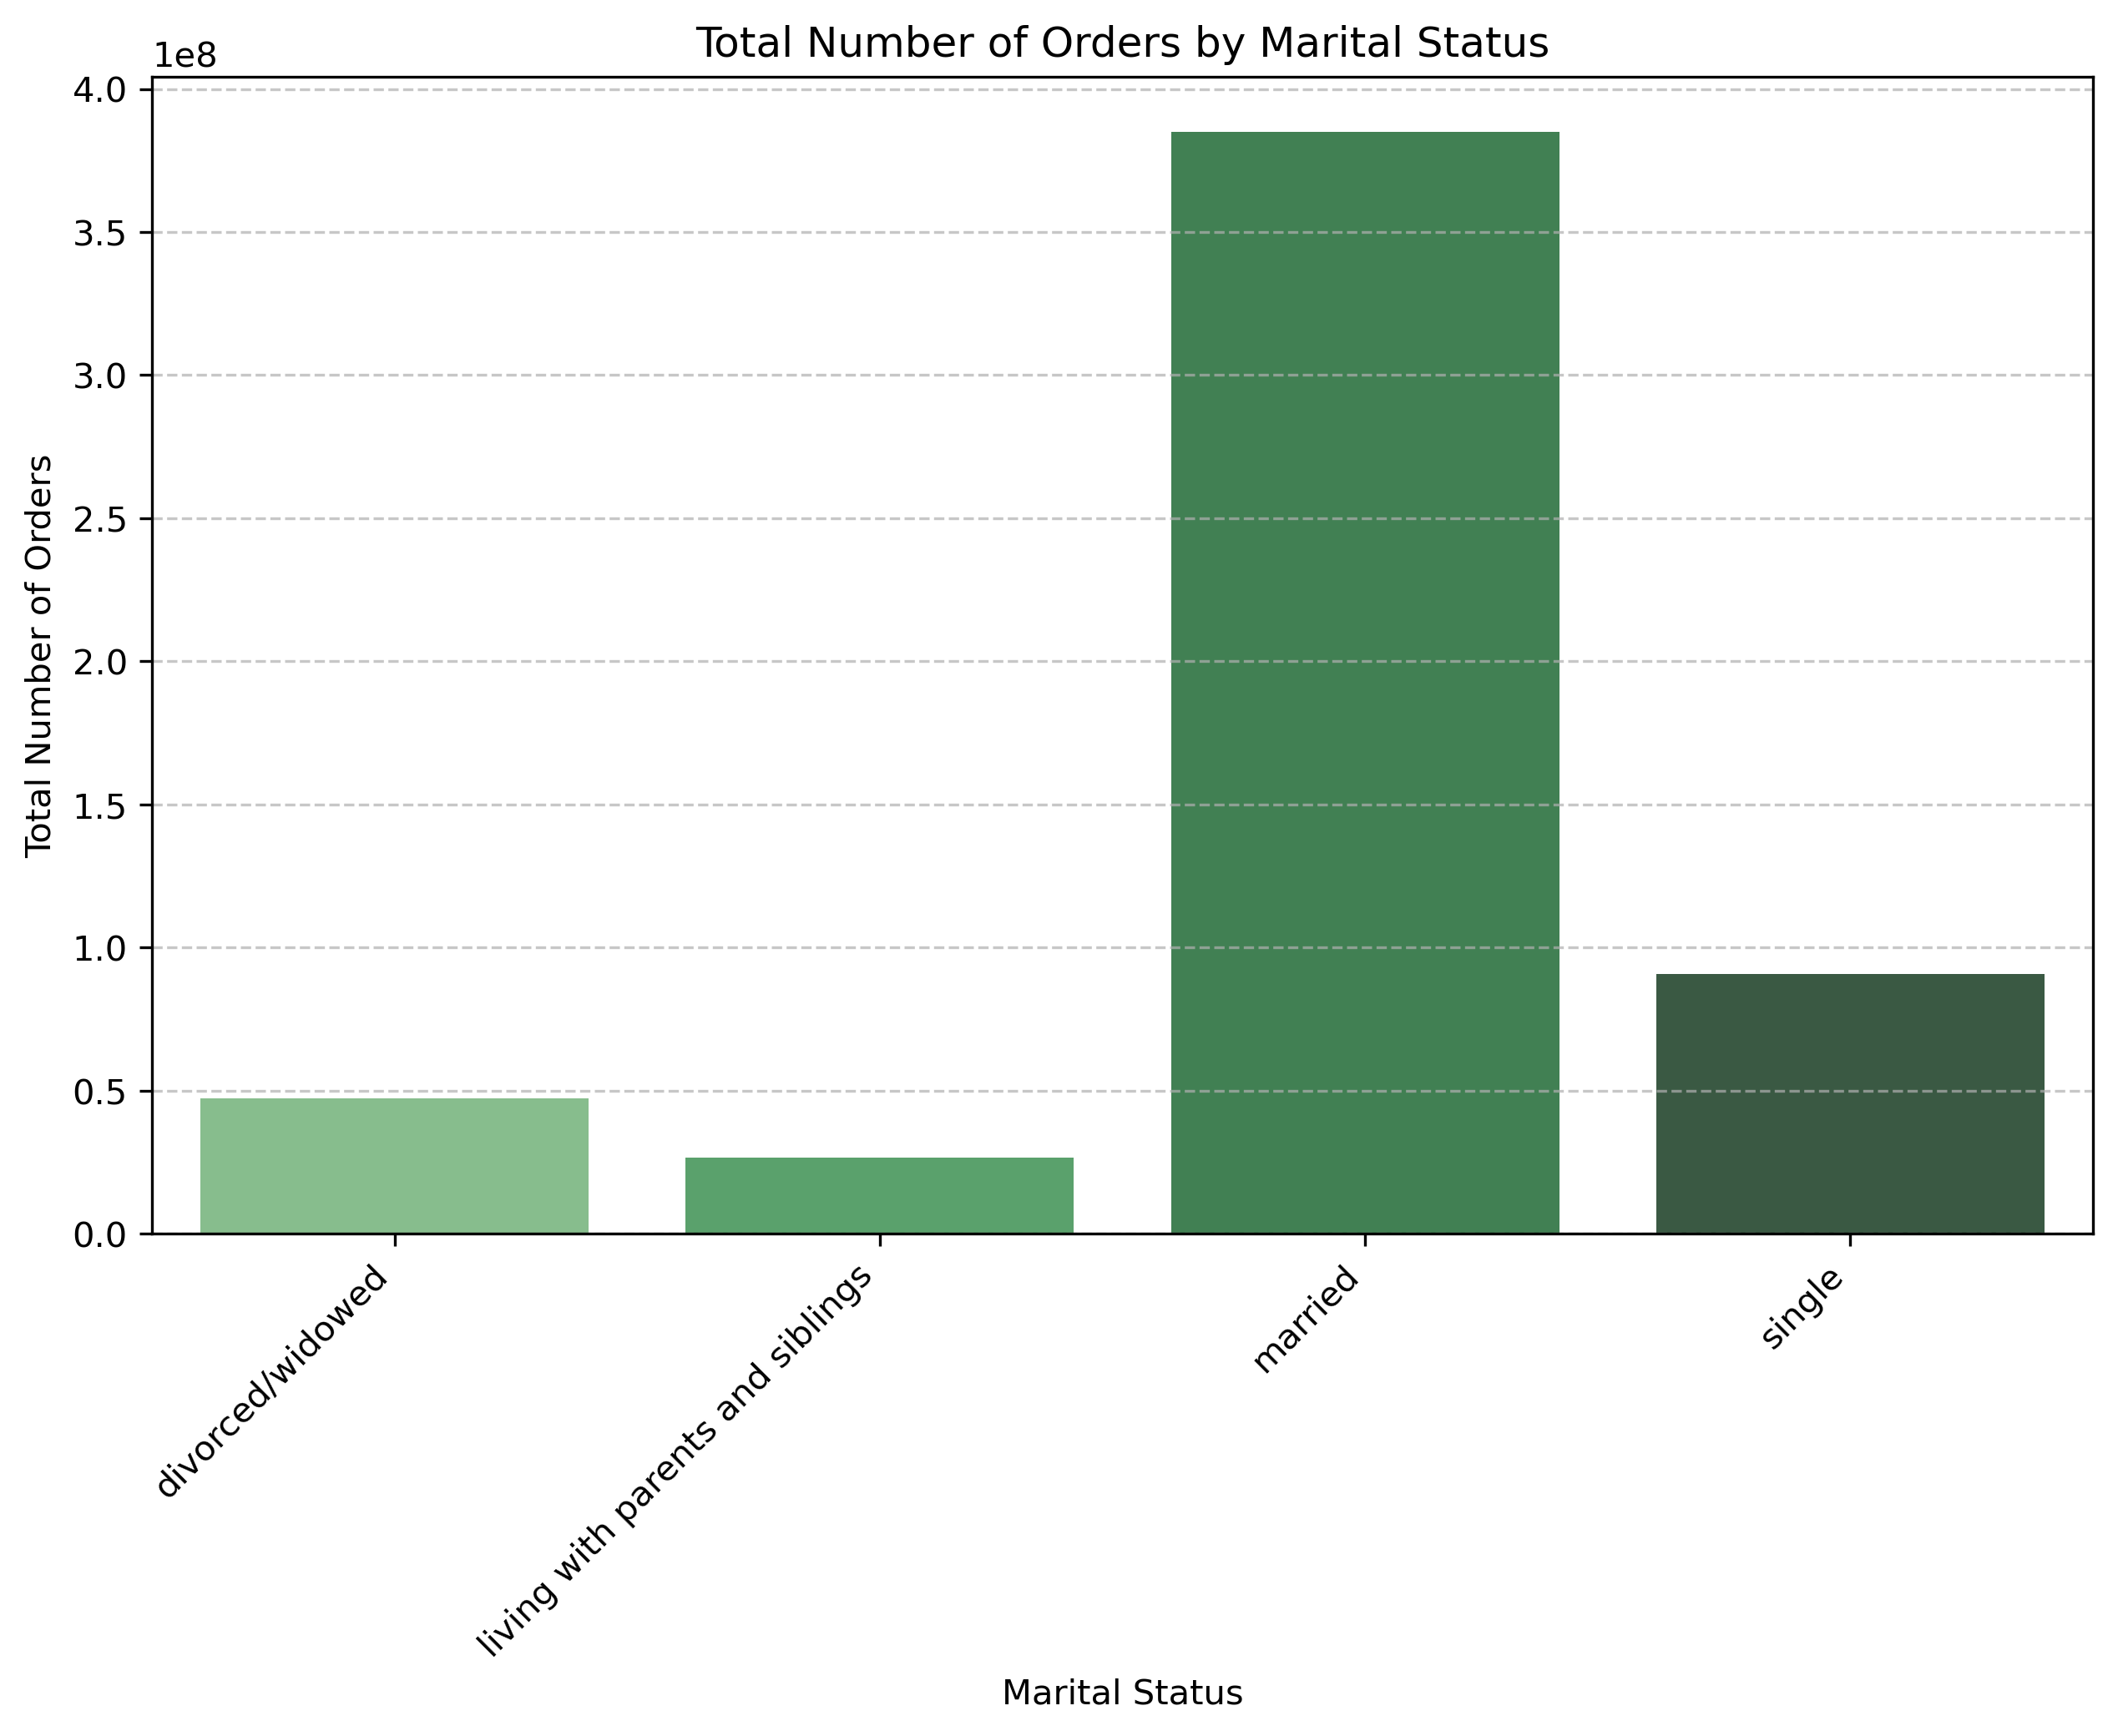
What different classiﬁcations does the demographic information suggest? Age? Income? Certain types of goods? Family status?

Age Group: Older customers, especially 61+, place the highest number of orders, followed by the 46-60 age group. Young adults (18-30) contribute the least.
Marital Status: Married individuals dominate with the largest order share, while single customers rank second. Other groups, like divorced/widowed and those living with family, show significantly lower activity.

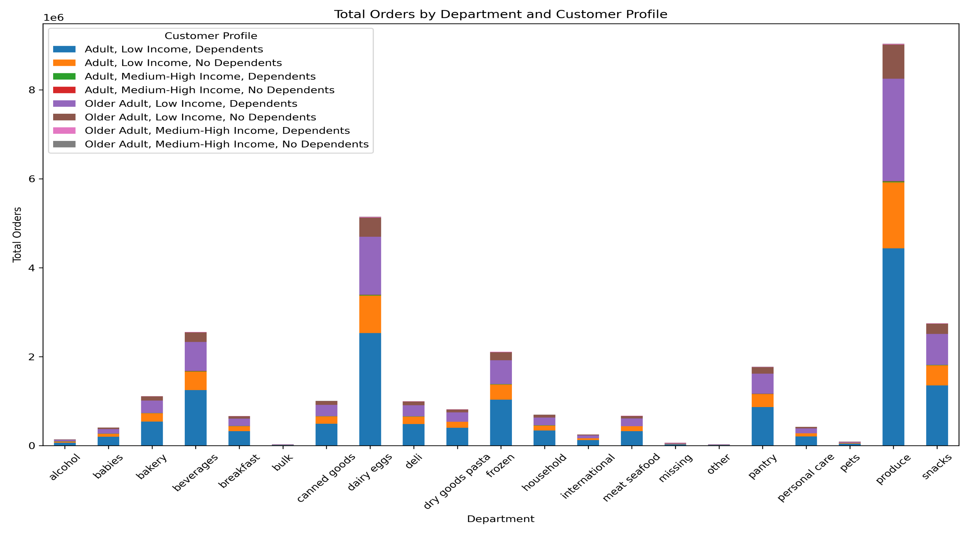

What differences can you ﬁnd in ordering habits of different customer proﬁles? Consider the price of orders, the frequency of orders, the products customers are ordering, and anything else you can think of.

The chart highlights that Produce and Dairy Eggs are the most ordered departments across all customer profiles, especially for Adults with Low Income and Dependents. Profiles with dependents consistently show higher order volumes, indicating a focus on staple items. Low-order departments like Alcohol, Babies, and Personal Care present opportunities for targeted promotions. Tailored strategies for income levels and family needs can help optimize sales and engagement.

7. Recommendations
 |  |  | Title page

Recommendations

In this tab you should include any recommendations you would made to Instcart in terms of their marketing strategy based on the questions posed in the brief. Every key question has been covered in the Tasks of the Exercises - here you need to add an item - a visualisation or table/crosstable that is showing the answer in the data, acompanied by a comment from you. Please, list the questions below and add the answer underneath.

Question | Answer | Reccomendations

The sales team needs to know what the busiest days of the week and hours of the day are (i.e., the days and times with the most orders) in order to schedule ads at times when there are fewer orders. | Busiest Days: Saturday is the busiest day with the highest amount of orders. Tuesday and Wednesday are the least busy days. Busiest Days: Peak ordering times are between 9:00 and 17:00. The least active time is between 22:00 and 6:00. | 1. Avoid Scheduling Ads Late at Night Since 10 PM to 6 AM is when most customers are inactive, running ads during this time is unlikely to yield significant results. Instead, focus on other forms of asynchronous marketing during these hours, like email campaigns or push notifications that can be seen the next day. 2. Target Ads During Low-Order Periods (Tuesdays and Wednesdays)Tuesdays and Wednesdays are less busy, so strategically scheduling ads during these days could help increase order volume and engagement. Use promotions or incentives like “midweek deals” to encourage shopping during these quieter periods. 3. Reinforce Peak Hours (9 AM to 5 PM) During 9:00 AM to 5:00 PM, the app already sees heavy usage. Ads targeting this time could further amplify sales, particularly for high-demand or trending products. 4. Weekends: Maximize Ad Efficiency With Saturdays being the busiest day, ads could focus on impulse buys or high-margin items, as customers are

They also want to know whether there are particular times of the day when people spend the most money, as this might inform the type of products they advertise at these times. | To identify the best times to advertise specific types of products based on spending behavior, we analyzed when people spend the most and least money during the day. The analysis shows that customers spend the most money during 10 AM to 11 AM, followed by 11 AM to 12 PM, 2 PM to 3 PM, 1 PM to 2 PM, 12 PM to 1 PM, 4 PM to 5 PM, and 9 AM to 10 AM. These peak spending hours align with times when many customers may be shopping for essentials, meal preparation, or stocking up on groceries. Conversely, the least spending occurs during the early morning and late-night hours: 6 AM to 7 AM, 12 AM to 1 AM, 1 AM to 2 AM, 5 AM to 6 AM, 2 AM to 3 AM, 4 AM to 5 AM, and 3 AM to 4 AM. These hours likely reflect reduced shopping activity due to customers sleeping or engaging in non-shopping activities. | Peak Spending Hours (10 AM to 5 PM) Focus on advertising high-margin or high-value products, such as meal kits, specialty items, or premium brands, to maximize profitability. Tailor ads to customer needs based on the time of day: Morning Hours (9 AM–12 PM): Promote breakfast essentials, coffee, or work-from-home lunch solutions. Afternoon Hours (12 PM–3 PM): Highlight family meals, snacks, or beverages for evening preparation. Late Afternoon Hours (4 PM–5 PM): Advertise dinner kits or convenience items for last-minute shoppers Low Spending Hours (12 AM to 7 AM) Use these hours for broader engagement campaigns, such as promoting app features, upcoming discounts, or next-day delivery services. Consider running targeted ads for non-perishable or convenience items that appeal to late-night or early-morning users, such as shelf-stable snacks or quick breakfast options.

Instacart has a lot of products with different price tags. Marketing and sales want to use simpler price range groupings to help direct their efforts. | Most products fall within the $0–15 price range, with the $5–10 range having the highest product count, followed closely by $0–5 and $10–15. Products priced above $15 are significantly fewer, with minimal representation in the $20–30 range. | Focus Promotions on the $0–15 Range: Highlight affordable products to attract budget-conscious customers. Bundle popular low- to mid-priced products for increased cart size. Increase Visibility for Higher-Price Products: Promote premium products with targeted campaigns, such as discounts or exclusive deals. Highlight value propositions for products in the $15–30 range to drive higher spending. Streamline Groupings: Use simplified ranges like $0–5, $5–10, $10–15, and $15+ for marketing and sales efforts to better target customer segments.

Are there certain types of products that are more popular than others? The marketing and sales teams want to know which departments have the highest frequency of product orders. | Produce Dominates Product Orders: The Produce department leads with the highest order count, exceeding 9 million orders. This suggests that fresh produce is a top priority for Instacart customers and drives significant traffic. Dairy & Eggs Rank Second: The Dairy & Eggs department follows as the second-most popular category, with over 5 million orders. These staple items reflect consistent demand and high repeat purchases. Snacks and Beverages Maintain Steady Demand: Snacks and Beverages departments are also highly ordered, each with approximately 3 million orders, indicating strong customer preference for convenience and quick-access products. Moderate Interest in Frozen, Pantry, and Bakery Items: Categories like Frozen, Pantry, and Bakery show moderate popularity, contributing to about 1.5–2.5 million orders each. Lower-Order Departments Represent Niche Markets: Departments such as Personal Care, Babies, Alcohol, and Pets have relatively fewer orders. These may cater to specialized or less frequent needs. | Capitalize on High-Order Departments (Produce and Dairy & Eggs): Promotional Bundles: Create bundles featuring popular products (e.g., fresh produce + dairy staples) to increase average order value. Seasonal Campaigns: Launch targeted promotions during peak shopping periods (e.g., summer for fresh produce). Boost Engagement in Snacks and Beverages: Upsell Opportunities: Promote snack and beverage pairings (e.g., chips and soft drinks) to encourage add-on purchases. Convenience Focus: Highlight quick snacks and beverages for busy shoppers or small households. Enhance Visibility for Lower-Order Departments: Targeted Marketing: Run campaigns to promote niche departments like Alcohol, Babies, and Pets through tailored ads and exclusive discounts. Cross-Sell Promotions: Suggest complementary items (e.g., pet food when ordering household products).

What’s the distribution among users in regards to their brand loyalty (i.e., how often do they return to Instacart)? | Regular customers make up 49.0% of users. Loyal customers account for 31.7% of users. New customers represent 19.3% of users. | Increase Conversion from Regular to Loyal Customers: Introduce loyalty programs (e.g., discounts for frequent shoppers, rewards points) to encourage regular customers to become loyal users. Personalize offers for frequent but non-loyal users based on their past shopping behavior. Retain New Customers: Provide onboarding incentives such as first-time purchase discounts, free delivery, or referral bonuses to encourage repeat usage. Optimize the user experience by offering user-friendly app navigation, personalized suggestions, and timely promotions. Strengthen the Loyal Customer Base: Introduce exclusive benefits for loyal customers, such as priority delivery slots, membership perks, or early access to deals. Collect feedback from loyal users to understand what keeps them returning and enhance those features.

Are there differences in ordering habits based on a customer’s loyalty status? | Top Departments Across Loyalty Flags: Produce consistently dominates as the top department for Loyal, Regular, and New customers, indicating its universal importance. Dairy Eggs and Snacks rank high for all groups, showing demand for essential and quick-consumption items. Purchase Counts by Loyalty: Loyal Customers have the highest purchase counts across all departments, with Produce exceeding 3 million purchases, far higher than other groups. Regular Customers follow, showing steady purchases across all top departments, with a notable focus on Produce and Dairy Eggs. New Customers have significantly lower purchase counts, with Produce just above 1.2 million, indicating they purchase fewer items compared to other groups. Frozen and Beverages: Departments like Frozen and Beverages consistently appear in the top 5 but with lower counts than Produce and Dairy Eggs. These categories may be supplementary and not as essential to newer or less frequent customers. | Engage New Customers: Offer promotions or personalized discounts in key departments like Produce and Snacks to encourage repeat purchases and build loyalty. Retain Loyal Customers: Reward Loyal customers with exclusive discounts or subscription options for frequently purchased staples (e.g., Produce, Dairy Eggs). Cross-Sell Opportunities: Use data to cross-promote Frozen and Beverages with top-performing staples to increase basket size across all loyalty levels.

Are there differences in ordering habits based on a customer’s region? | The South Dominates in Spending: The South region leads with the highest average spend, surpassing $80 million. This indicates that customers in this region are highly active and account for a significant portion of overall spending. The West and Midwest Show Moderate Spending: The West and Midwest regions display similar average spending levels, each around the $60 million range. These regions are consistent contributors but trail behind the South. The Northeast Has the Lowest Spend: The Northeast region lags significantly behind, with average spending closer to $30 million. This suggests lower engagement or purchasing activity in this region compared to the others. | Boost Engagement in the Northeast: Targeted Campaigns: Launch region-specific promotions, such as discounts or free delivery, to encourage higher spending. Customer Education: Highlight the benefits of Instacart services (e.g., convenience, speed) to capture more users in this region. Maintain and Expand Spending in the South: Loyalty Rewards: Introduce exclusive offers for high-spending customers to maintain their engagement. Upsell Strategies: Promote bulk orders, seasonal offers, or subscription plans to increase the average cart size further. Enhance Opportunities in the West and Midwest: Localized Promotions: Tailor offers to meet regional preferences, such as discounts on popular products in these areas. Personalized Marketing: Use past purchasing data to provide personalized recommendations and incentives for repeat purchases.

Is there a connection between age and family status in terms of ordering habits? | Dependents Drive Higher Spending: Across both age groups, customers with dependents spend significantly more. For example, Adult, Low Income, Dependents spend the most, followed by Older Adult, Low Income, Dependents. Adults Spend More Than Older Adults: Within each income and family status group, Adults (younger age group) tend to spend more than Older Adults. For instance, Adult, Low Income, No Dependents shows higher spending than Older Adult, Low Income, No Dependents. No Dependents Correlates with Lower Spending: Customers without dependents (e.g., "No Dependents") consistently have lower average spending compared to those with dependents, regardless of age or income. | Convert Adults Without Dependents into Higher Spenders: Targeted Promotions: Offer personalized deals or promotions for single households, such as discounts on small-basket essentials. Convenience Focus: Promote time-saving solutions like quick delivery options or curated grocery bundles tailored for individuals. Strengthen Engagement Among Families with Dependents: Family-Friendly Programs: Introduce family-oriented loyalty programs (e.g., bulk order discounts, free delivery for larger carts). Subscription Plans: Offer subscriptions for frequent shoppers with dependents, ensuring they consistently choose Instacart for convenience. Re-Engage Older Adults: Simplified User Experience: Improve app usability for older adults through clearer navigation, larger fonts, and easy access to customer support. Special Offers: Provide targeted discounts on popular items for older demographics, like essentials and health-focused groceries.

What different classiﬁcations does the demographic information suggest? Age? Income? Certain types of goods? Family status? | Orders by Age Group: The 61+ age group has the highest number of total orders, exceeding 160 million. This group is followed closely by the 46-60 and 31-45 age groups. Young Adults Lag: The 18-30 age group has the lowest total number of orders, indicating lower engagement or fewer needs compared to older groups. Targeting Older Consumers: Older consumers are likely consistent shoppers, contributing significantly to the order volume. Orders by Marital Status Married Customers Drive Orders: Married individuals have the highest total orders, close to 400 million, far outpacing all other groups. Single Consumers Show Moderate Activity: Single customers contribute approximately 90 million orders, making them the second-highest group. Lower Order Counts for Others: Divorced/Widowed and ind | Focus on Older Consumers: Enhance loyalty programs and personalized offers for the 61+ age group, ensuring seamless ordering for their staple needs. Engage Younger Shoppers: Develop strategies such as student discounts or quick-meal bundles to attract the 18-30 age group. Target Single Customers: Promote smaller, convenience-focused packages tailored to single customers who are less likely to buy in bulk. Incentivize Lower-Activity Groups: Offer promotions for divorced/widowed or those living with family to increase engagement.

What differences can you ﬁnd in ordering habits of different customer proﬁles? Consider the price of orders, the frequency of orders, the products customers are ordering, and anything else you can think of. | Dominant Departments: Produce and Dairy Eggs have the highest total orders across all customer profiles. These departments are essential for all age and income groups, indicating a preference for staple grocery items. Customer Profiles: Adults with Low Income and Dependents have the highest total orders overall, especially in Produce, Dairy Eggs, and Snacks. Older Adults with Low Income and Dependents also contribute significantly, particularly in Produce and Dairy Eggs, but their totals are lower compared to adults. Low Representation: Departments like Alcohol, Personal Care, and Babies have significantly lower orders across all profiles. These categories might not be prioritized by customers or may cater to niche needs. Dependents Impact: Profiles with Dependents generally have higher order counts, suggesting a greater need for staple items like | Target High-Volume Profiles: Focus promotions and loyalty rewards on Adults with Low Income and Dependents, as they are the highest contributors to overall orders. Tailor marketing messages around staple products like Produce and Dairy Eggs. Enhance Engagement in Low-Order Departments: For low-order departments like Alcohol, Babies, and Personal Care, run targeted discounts or bundle deals to encourage purchases. Create curated bundles for families, emphasizing cost savings. Income-Specific Promotions: For Medium-High Income Adults, highlight specialty products in departments like Bakery or Household that align with their purchasing patterns. Promote premium offerings or subscriptions to increase order frequency. Leverage Dependents Factor: Develop targeted campaigns for profiles with Dependents by promoting family-friendly items (e.g., Snacks, Frozen) and discounts on bulk orders. Department-Specific Insights:

